Sheet1
 | V and descriptions |  |  |  |  |  |  |  |  |  | Edge and weight
set | 1 | 2 | 3 | 4 | 5 | 6 | 7 | 8 | 9 | 1 | g | h | 1
v | a | b | c | d | e | f | g | h | i | 2 | c | i | 2
g-h |  |  | g=7, h=8 |  |  |  |  |  |  | 3 | f | g | 2
A: g-h, |  |  |  |  |  |  |  |  |  | 4 | a | b | 4
set | 1 | 2 | 3 | 4 | 5 | 6 | 7 | 7 | 9 | 5 | c | f | 4
v | a | b | c | d | e | f | g | h | i | 6 | g | i | 6
c-i |  |  | c= 3, i =9 |  |  |  |  |  |  | 7 | c | d | 7
A: g-h, c-i |  |  |  |  |  |  |  |  |  | 8 | h | i | 7
set | 1 | 2 | 3 | 4 | 5 | 6 | 7 | 7 | 3 | 9 | a | h | 8
v | a | b | c | d | e | f | g | h | i | 10 | b | c | 8
f-g |  |  | f=6, g= 7 |  |  |  |  |  |  | 11 | d | e | 9
A: g-h, c-I, f-g |  |  |  |  |  |  |  |  |  | 12 | e | f | 10
set | 1 | 2 | 3 | 4 | 5 | 7 | 7 | 7 | 3 | 13 | b | h | 11
v | a | b | c | d | e | f | g | h | i | 14 | d | f | 14
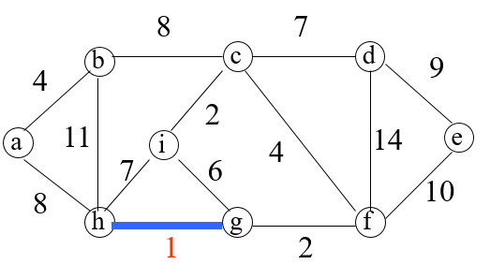
a-b |  |  | a= 1, b = 2
A: g-h, c-I, f-g, a-b
set | 2 | 2 | 3 | 4 | 5 | 7 | 7 | 7 | 3
v | a | b | c | d | e | f | g | h | i
c-f |  |  | c= 3, f = 7
A: g-h, c-I, f-g, a-b, c-f
set | 2 | 2 | 7 | 4 | 5 | 7 | 7 | 7 | 7
v | a | b | c | d | e | f | g | h | i
g-i |  |  | g=7, i = 7 |  | g-i SHOULD NOT BE ADDED
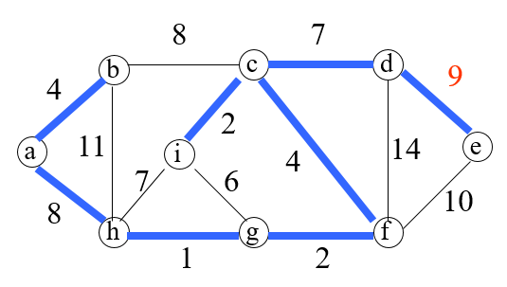
A: g-h, c-I, f-g, a-b, c-f
set | 2 | 2 | 7 | 4 | 5 | 7 | 7 | 7 | 7
v | a | b | c | d | e | f | g | h | i
c-d |  |  | c= 7, d = 4
A: g-h, c-I, f-g, a-b, c-f, c-d
set | 2 | 2 | 7 | 7 | 5 | 7 | 7 | 7 | 7
v | a | b | c | d | e | f | g | h | i
h-i |  |  | h=7, I = 7 |  | h-i SHOULD NOT BE ADDED
A: g-h, c-I, f-g, a-b, c-f, c-d
set | 2 | 2 | 7 | 7 | 5 | 7 | 7 | 7 | 7
v | a | b | c | d | e | f | g | h | i
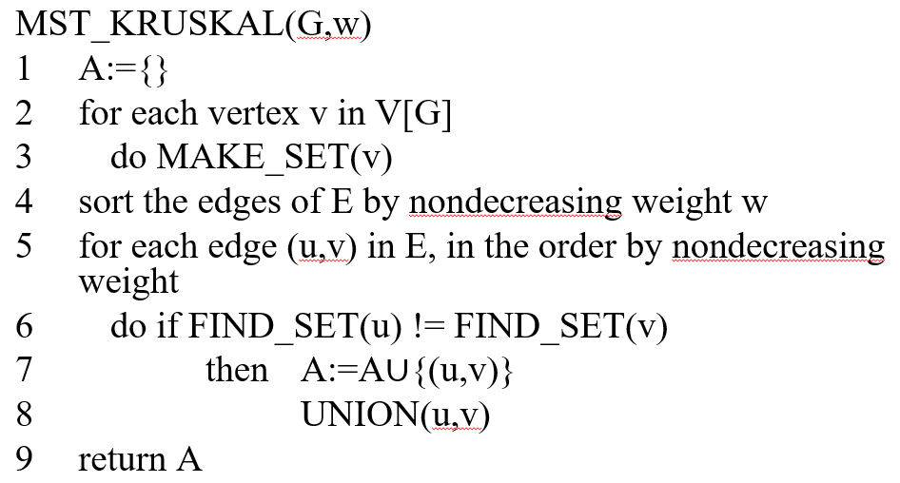
a-h |  |  | a=2, h= 7
A: g-h, c-I, f-g, a-b, c-f, c-d, a-h
set | 7 | 7 | 7 | 7 | 5 | 7 | 7 | 7 | 7
v | a | b | c | d | e | f | g | h | i
b-c |  |  | b=7, c=7 |  | b-c SHOULD NOT BE ADDED
A: g-h, c-I, f-g, a-b, c-f, c-d, a-h
set | 7 | 7 | 7 | 7 | 5 | 7 | 7 | 7 | 7
v | a | b | c | d | e | f | g | h | i
d-e |  |  | d=7, e=5
A: g-h, c-I, f-g, a-b, c-f, c-d, a-h, d-e |  |  |  |  | DONE |V| - edges
set | 7 | 7 | 7 | 7 | 7 | 7 | 7 | 7 | 7
v | a | b | c | d | e | f | g | h | i

Sheet2
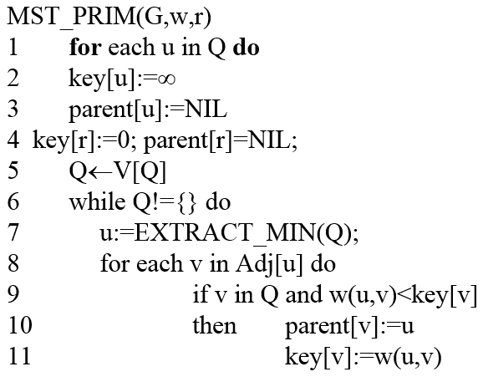
 | a | b | c | d | e | f | g | h | i
A
key | 0 | inf | inf | inf | inf | inf | inf | inf | inf
p | NIL | NIL | NIL | NIL | NIL | NIL | NIL | NIL | NIL
Q | <b, c, d, e, f, g, h, i>
Possible | ab-4, ah-8
pick b

A | a-b
key | 0 | 4 | inf | inf | inf | inf | inf | inf | inf
p | NIL | a | NIL | NIL | NIL | NIL | NIL | NIL | NIL
Q | <c, d, e, f, g, h, i>
Possible | bc-8, bh-11, ah-8,
pick c
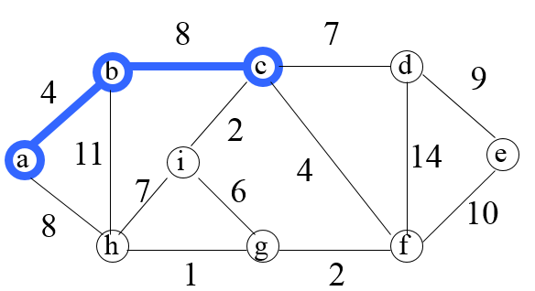
A | ab, bc
key | 0 | 4 | inf | inf | inf | inf | inf | inf | 2
p | NIL | a | NIL | NIL | NIL | NIL | NIL | NIL | c
Q | <d, e, f, g, h, i>
Possible | ci-2, cf-4, cd-7, bh-11, ah-8,
pick i

A | ab, bc, ci
key | 0 | 4 | 8 | inf | inf | 4 | inf | inf | 2
p | NIL | a | b | NIL | NIL | c | NIL | NIL | c
Q | <d, e, f, g, h>
Possible | ig-6, ih-7,cf-4, cd-7, bh-11, ah-8,
pick f

 | a | b | c | d | e | f | g | h | i
A | ab, bc, ci, cf
key | 0 | 4 | 8 | inf | inf | 4 | 2 | inf | 2
p | NIL | a | b | NIL | NIL | c | f | NIL | c
Q | <d, e, g, h>
Possible | fg-2, fe-10, fd-14, ig-6, ih-7,cf-4, cd-7, bh-11, ah-8,
pick g

A | ab, bc, ci, cf, fg
key | 0 | 4 | 8 | inf | inf | 4 | 2 | 1 | 2
p | NIL | a | b | NIL | NIL | c | f | f | c
Q | <d, e, h>
Possible | gh-1, gi-6, fe-10, fd-14, ig-6, ih-7,cf-4, cd-7, bh-11, ah-8,
pick h

A | ab, bc, ci, cf, fg, gh
key | 0 | 4 | 8 | 7 | inf | 4 | 2 | 1 | 2
p | NIL | a | b | c | NIL | c | f | f | c
Q | <d, e>
Possible | hi-7, ha-8, hb-11, gi-6, fe-10, fd-14, ig-6, ih-7,cf-4, cd-7, bh-11, ah-8,
pick d | cd-7 | (why not ig-6 -- because g is not in Q)

A | ab, bc, ci, cf, fg, gh, cd
key | 0 | 4 | 8 | 9 | 9 | 4 | 2 | 1 | 2
p | NIL | a | b | c | d | c | f | f | c
Q | <e>
Possible | hi-7, ha-8, hb-11, gi-6, fe-10, fd-14, ig-6, ih-7,cf-4, cd-7, bh-11, ah-8,
pick e | de-9

A | ab, bc, ci, cf, fg, gh, cd, de
key | 0 | 4 | 8 | 9 | 9 | 4 | 2 | 1 | 2
p | NIL | a | b | c | d | c | f | f | c
Q |  | DONE

